Formula Dictionary
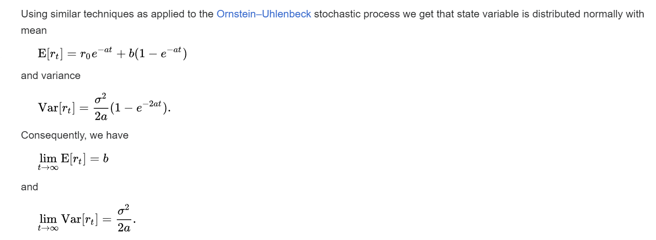

 | Resource
 | https://www.youtube.com/watch?v=X17cpkkwG_4
 | https://www.youtube.com/watch?v=VSfOeEkNmKQ

 | MLE
 | https://www.youtube.com/watch?v=3c55ZoBeUA4

 | Resources
OLS vs MLE comparison | https://victor-bernal.weebly.com/uploads/5/3/6/9/53696137/projectcalibration.pdf
Life insurance using OLS | https://acikbilim.yok.gov.tr/bitstream/handle/20.500.12812/698866/yokAcikBilim_10009403.pdf?sequence=-1&isAllowed=y

